Sheet1
Defect Report |  | Defect Report |  | Defect Report |  | Defect Report |  | Defect Report |  | Defect Report |  | Defect Report
Version | V.4 | Version | V.4 | Version | V.4 | Version | V.4 | Version | V.4 | Version | V.4 | Version | V.4
Test Scenario | Customer (Balance Enquiry) | Test Scenario | Customer (Funds Transfer) | Test Scenario | Customer (Mini Statement) | Test Scenario | Customer (Customized Statement) | Test Scenario | Customer (Customized Statement) | Test Scenario | Customer (Customized Statement) | Test Scenario | Customer (Changer Password)
ID | 3 | ID | 10 | ID | 3 | ID | 2 | ID | 6 | ID | 8 | ID | 1
Test Case | when click on submit the system show the Balannce | Test Case | the system must not show the funds transfer in the customized statement | Test Case | when click on submit the system show Last 5 Transaction of his account | Test Case | "From Date" Must Less than "To Date" | Test Case | when click on submit the system show a form of the Customized statement | Test Case | the customer can see only customized statement for his account | Test Case | The old Password Must Exist in the data
Test Steps | 1-Enter Account No correctly 2-Click on submit | Test Steps | 1-go to customized statement page 2-fill all the required fields 3-Click on submit | Test Steps | 1-Enter Account No correctly 2-Click on submit | Test Steps | 1-Enter from date greater than to date 2- enter other fields corectly 3-Click on submit | Test Steps | 1-Enter Account No correctly 2-Click on submit | Test Steps | 1-Enter wrong account number which is not associated with customer 2-Click on submit | Test Steps | 1-Enter an invalid old Password 2-Click on submit
Expected Result | the system show aform of the Balance | Expected Result | the funds transfer show in the customized statement | Expected Result | the system show Last 5 Transaction of his account | Expected Result | the system show an error that ("From Date" Must Less than "To Date") | Expected Result | the system show aform of the Customized statement | Expected Result | the system show an error that (You are not authorize to see the customized statement of this account) | Expected Result | the system show an error that (old Password does not exist)
Actual Result | Connection Error | Actual Result | Connection Error | Actual Result | Connection Error | Actual Result | the system don't show any error | Actual Result | Connection Error | Actual Result | Connection Error | Actual Result | Connection Error
Screen Shoot / video | 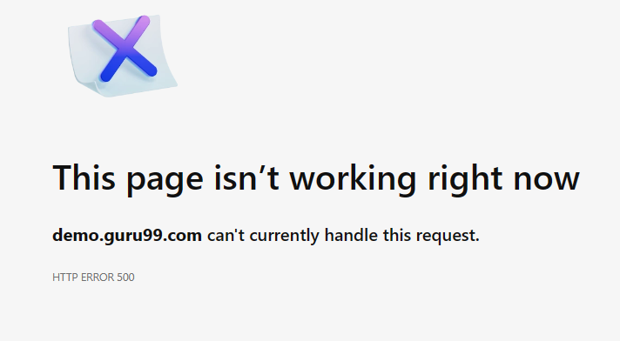 | Screen Shoot / video |  | Screen Shoot / video |  | Screen Shoot / video | 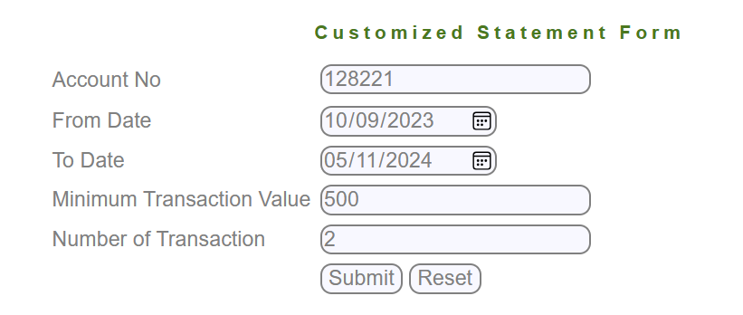 | Screen Shoot / video |  | Screen Shoot / video |  | Screen Shoot / video
Piriority | High | Piriority | High | Piriority | High | Piriority | High | Piriority | High | Piriority | High | Piriority | High

